Report
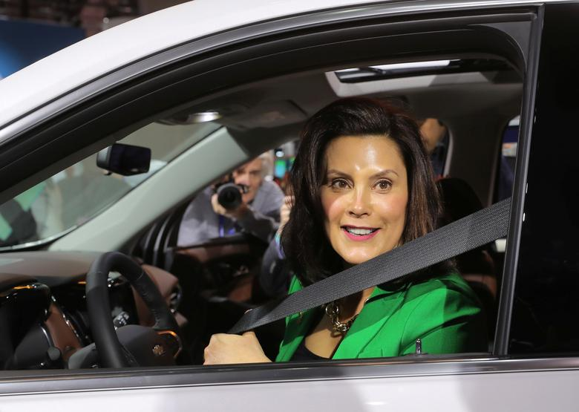

Event Name | Date | Confirmed | Scheduled | Percent Confirmed
BusTour_Detroit_Rally_1105 | 2022-11-05 | 11 | 1084 | 1.01%
BusTour_GrandRapids_canvass_1105 | 2022-11-05 | 0 | 0 | 0.00%
BusTour_GR_Rally_1106 | 2022-11-06 | 1 | 455 | 0.22%
BusTour_Pontiac_GOTVevent_1106 | 2022-11-06 | 2 | 106 | 1.89%
BusTour_MSU_rally_1107 | 2022-11-07 | 2 | 705 | 0.28%
BusTour_Saginaw_canvass_1107 | 2022-11-07 | 0 | 9 | 0.00%
BusTour_lansing_canvass_1108 | 2022-11-08 | 0 | 0 | 0.00%
BusTour_Livernois_canvass_1108 | 2022-11-08 | 0 | 0 | 0.00%
 | 0 | 0 | 0 | 0.00%
 | 0 | 0 | 0 | 0.00%
 | 0 | 0 | 0 | 0.00%
 | 0 | 0 | 0 | 0.00%
 | 0 | 0 | 0 | 0.00%
 | 0 | 0 | 0 | 0.00%

